summary
① Renewable energy
 |  | Before starting | STEP 1 | STEP 2 | STEP 3 | STEP 4 | STEP 5
 | Power server | 100% | 10% | 10% | 10% | 20% | 20%
 | PV PCS | Power generation | Power generation | Stop | Power generation | Power generation | Stop
 | Power storage PCS | charge/discharge | Stop or charge | Stop | Stop or charge | Stop or charge | Stop
 | Electricity meter | Corresponding to solar radiation | Equivalent to 10% | 0kW | Equivalent to 10% | Equivalent to 20% | 0kW
 | PCS control software | ― | ― | 1 unit control OFF | ― | ― | 1 unit control OFF
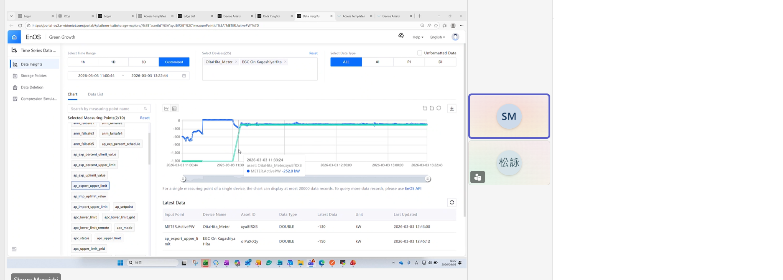
 |  | Testing is required.
 |  | : Automatic state changes due to operation
 |  | : Numerical values, status, and items to check.

① Renewable energy storage
 |  | Before starting | STEP 1 | STEP 2 | STEP 3 | STEP 4 | STEP 5
 | Power server | 100% | 10% | 10% | 10% | 20% | 20%
 | PV PCS | Power generation | Power generation | Stop | Power generation | Power generation | Stop
 | Power storage PCS | charge/discharge | Stop or charge | Stop | Stop or charge | Stop or charge | Stop
 | Electricity meter | Corresponding to solar radiation | Equivalent to 10% | 0kW | Equivalent to 10% | Equivalent to 20% | 0kW
 | PCS control software | ― | ― | 1 unit control OFF | ― | ― | 1 unit control OFF
 | Aggregator | ― | 100% discharge | 100% discharge | 100% discharge | 100% discharge | 100% discharge

 |  | Testing is required.
 |  | : Automatic state changes due to operation
 |  | : Numerical values, status, and items to check.

② [Technical Specifications (2) (3)] <Optional for newly certified FIP and non-FIT from FY2024 onwards> Guarantee that battery charging power is derived from renewable energy.
 |  | Before starting | STEP 1 | STEP 2 | STEP 2
 | PV PCS | Power generation | Power generation | Stop | Stop
 | Power storage PCS | charge/discharge | charge/discharge | Stop | Stop
 | Electricity meter | Corresponding to solar radiation | Corresponding to solar radiation | 110kW charging | 110kW charging
 | PCS control software | ― | Change settings | 100% charge | 1 unit control OFF

 |  | Testing is required.
 |  | : Automatic state changes due to operation
 |  | : Numerical values, status, and items to check.

③ 6.4 [Technical Specifications (4)] Responsiveness to Communication Anomalies
 |  | Before starting | STEP 1 | STEP 2 | STEP 3 | STEP 4 | STEP 5 | STEP 6
 | PV PCS | Power generation | Power generation | Power generation | Stop | Power generation | Stop | Power generation
 | Power storage PCS | charging | charging | charging | Stop | charging | Stop | charging
 | LAN router | connection | Lost track | connection | connection | connection | connection | connection
 | LAN-PV PCS | connection | connection | connection | Lost track | connection | connection | connection
 | LAN-Energy storage PCS | connection | connection | connection | connection | connection | Lost track | connection
 | Electricity meter | Corresponding to solar radiation | Corresponding to solar radiation | Corresponding to solar radiation | 0kW | Corresponding to solar radiation | 0kW | Corresponding to solar radiation

 |  | Testing is required.
 |  | : Automatic state changes due to operation
 |  | : Numerical values, status, and items to check.

④ [Technical Specifications (1) (5)] Control accuracy relative to the control target value
 |  | Before starting | STEP 1 | STEP 2 | STEP 3
 | Power server | 100% | 10% | 30% | 60%
 | PV PCS | Power generation | Power generation, suppression | Power generation, suppression | Power generation, suppression
 | Power storage PCS | charge/discharge | charging | charging | charging
 | Electricity meter | Corresponding to solar radiation | Equivalent to 10% | Equivalent to 30% | Equivalent to 60%

 |  | Testing is required.
 |  | : Automatic state changes due to operation
 |  | : Numerical values, status, and items to check.

⑤ [Technical Specifications (6)] Control Accuracy for Contracted Capacity Control
 |  | Before starting | STEP 1 | STEP 2 | STEP 3 | STEP 4 | STEP 5
 | Power server | 100% | 100% | 100% | 100% | 100% | 100%
 | PV PCS | Power generation | Stop | Power generation | Stop | Stop | Start → Stop
 | Power storage PCS | charging | Stop | charge/discharge | Stop | discharge 90% | Stop
 | Electricity meter | Corresponding to solar radiation | 0kW | Corresponding to solar radiation | 0kW | Equivalent to 90% | 0kW
 | Energy storage PCS control | ― | 100% discharge | Discharge instruction canceled | ― | discharge 90% | discharge 90%

 |  | Testing is required.
 |  | : Automatic state changes due to operation
 |  | : Numerical values, status, and items to check.

② Grid charging
① [Technical Specifications (2) (3)] <Optional for newly certified FIP and non-FIT from FY2024 onwards> Guarantee that battery charging power is derived from renewable energy.

Content | (2) If the power generated by renewable energy exceeds the power charged by the battery, the PCS for renewable energy and the PCS for battery storage will shut down within 5 minutes.
 | If forward power flow (grid → power generation equipment) is detected at the interconnection point while the battery is charging, the renewable energy PCS and the battery PCS will shut down within 5 minutes.
 |  |  |  |  | Estimated test time: 0.5 hours
conditions | The battery must be rechargeable (guideline: SOC 70% or less).
 | The PV PCS must be in a state where it can generate electricity (during the daytime).

overview | A manual 100% charge command is sent to Univers EMS to achieve the battery's charged state. |  |  |  |  | STEP 1
 | The power meter reading is adjusted to reflect electricity sold from the grid (by shifting more than 5% of the rated output towards charging).
 | We confirmed that when the power generated by the PV PCS exceeds the power charged by the energy storage PCS, both the PV PCS and the energy storage PCS will shut down within 5 minutes. |  |  |  |  | STEP 2

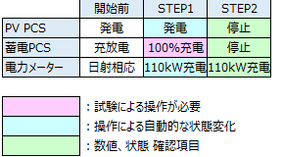
 |  |  |  | 75

detail | No | Example time | Confirmation and operation details |  |  | STEP
 |  |  | ONO | EPC, energy storage manufacturer | Univers
 | 1 | 12:45:00 | Check that the battery's State of Charge (SOC) is below 70%. |  | Discharge command input when SOC is 70% or higher.
 | 2 | 12:50:00 |  |  | Change the meter reading setting | STEP 1 | 0:05:00
 | 2 | 12:50:00 |  |  | Send a 100% charge command to the EMS from the cloud environment. | STEP 1 | 0:05:00
 | 3 | 12:55:00 | Confirm that the PV PCS and energy storage PCS will shut down within 5 minutes. |  |  | STEP 2 | 0:10:00
 | 4 | 13:00:00 |  |  | Cancel the charging command from the cloud environment. | STEP 3 | 0:15:00
 | 4 | 13:05:00 |  |  | Reset meter reading settings to operational state | STEP 3 | 0:20:00
 | 5 | 13:10:00 | Confirmed startup of PV PCS and energy storage PCS. |  |  | STEP 4 | 0:25:00
 | 6
 | 7
 | 8
 | 9
 | 10

